Hosting (Relative Sizing)
 | Improving how we connect: Hosting cost

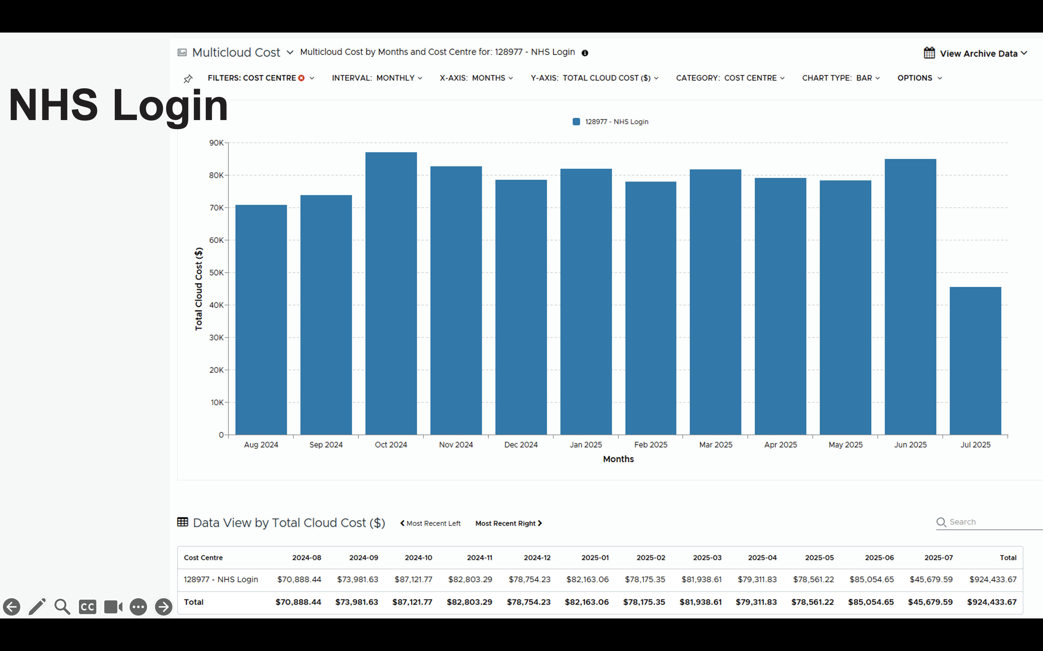
API -> |  |  |  |  | We assume that transition is complete and we will have 100% uptake through the API, for the purposes of these costings
 |  |  |  |  | We are assuming that because in 2021-22, NHS login handled 1.1 billion logins, they could be doing 1.5 billion/year now
 |  |  |  |  | We assume - based on the reference figures at the bottom of this sheet - that we might do 600m per year API calls
 |  |  |  |  | Caveats: we believe that we will end up simpler architecturally than NHS Login, but offsetting this, they are likely to be more optimised at this stage.
 |  |  |  |  | Caveats: we believe that NHS login are likely to be quite optimised in their cloud usage at this stage, given how long they have been live for.
 |  |  |  |  | Caveats: Based on these assumptions and the caveats above, this figure should be treated as low confidence - and we will refine this as our architecture design is refined

 |  |  |  |  | $85,054.00 | Monthly hosting cost for all NHS Login
 |  |  |  |  | 1,500,000,000 | Assumed number of transactions per year for NHS login
 |  |  |  |  | 600,000,000 | Assumed number of transactions per year for API
 |  |  |  |  | $34,021.60 | Projected monthly hosting cost for our API, assuming a similar cost per transaction as NHS Login
 |  |  |  |  | £25,175.98 | Projected monthly hosting cost for our API, assuming a similar cost per transaction as NHS Login

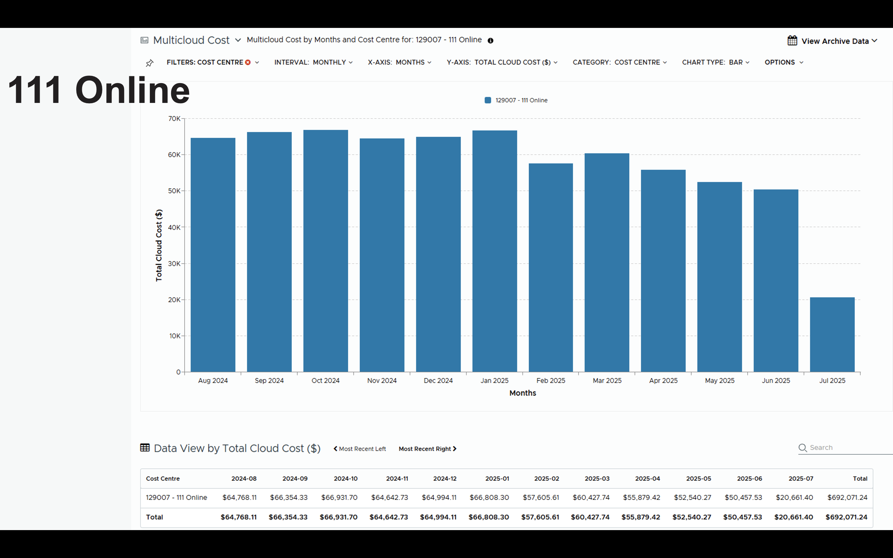
API + UI -> |  |  |  |  | We assume that transition is complete and we will have 100% uptake through the API, for the purposes of these costings
 |  |  |  |  | We assume - based on the reference figures at the bottom of this sheet - that 2/3rd of all triages will go through our UI, and the other 1/3rd goes via 111 Online (so we need to handle double the volume)
 |  |  |  |  | Caveat: 111 Online are likely to reduce hosting cost in the future through cloud cost optimisation
 |  |  |  |  | Caveat: We do expect our architecture to be simpler than 111 Online, so the calculated figure should be treated as an upper limit
 |  |  |  |  | Caveats: Based on these assumptions and the caveats above, this figure should be treated as low confidence - and would be refined in a UI alpha

 |  |  |  |  | $52,540.27 | per month for all 111 Online hosting
 |  |  |  |  | $105,080.54 | per month for a Pathways UI (for telephony)
 |  |  |  |  | £77,759.60 | per month for a Pathways UI (for telephony) - in £

Other reference information

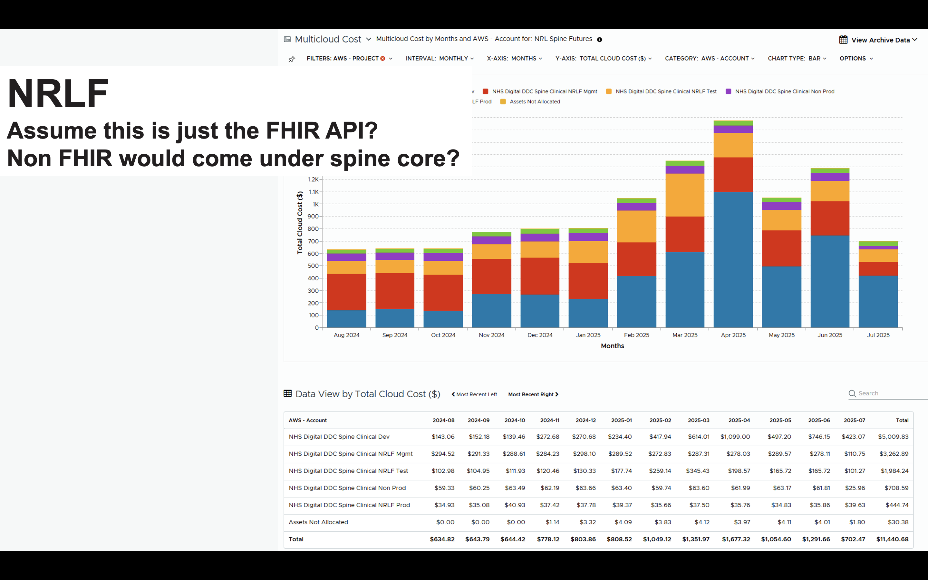
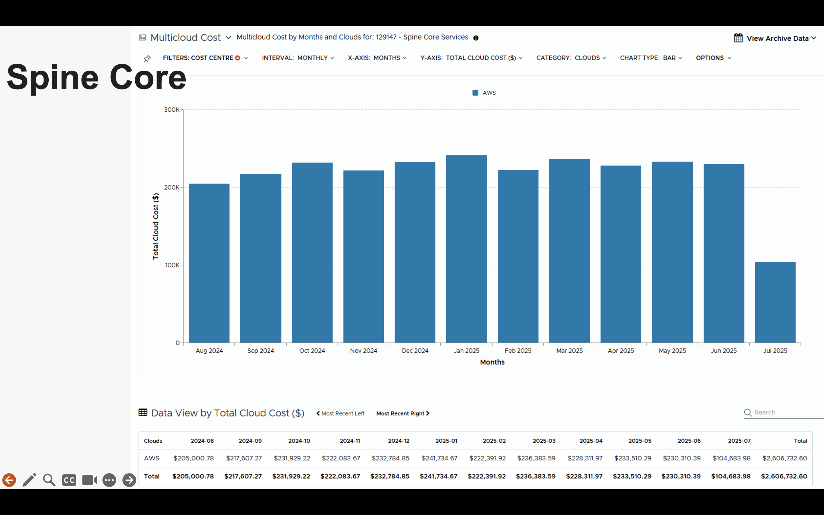
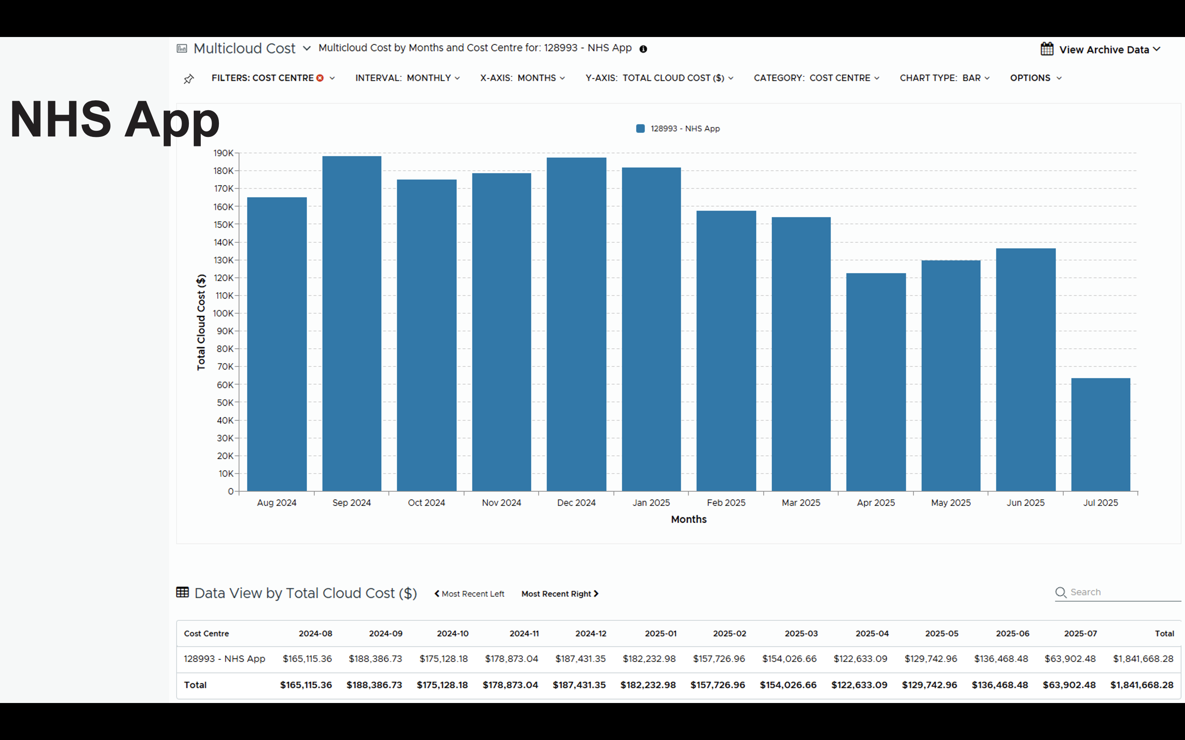

Volumes
 | Service | Triages | Average no of questions per triage | Questions per year
 | 111 Online | 7,794,040 | 11 | 85,734,440.00
 | 111 Telephony | 19,514,394 | 20 | 390,287,880.00
 | Ambulance 999 | 5,099,768 | 19 | 96,895,592.00
 | Emergency Department Streaming & Redirection | 358,579 | 17 | 6,095,843.00
 | Total | 32,766,781 |  | 579,013,755.00

